x^3+2x^2+10x-20
F(xi)= xi^3+2x^2+10x-20 |  |  |  |  | Funciones
Iteracion | Xi | F(xi) | xi-(xi-1) | Ea% | f(x) = x^3 + 2x^2 + 10x - 20
0 | 2 |  |  |  | f(x) = x^4 + 3x^3 - 2
1 | 5 | 205 | 3 |  | f(x) = x^3 - 2x -5
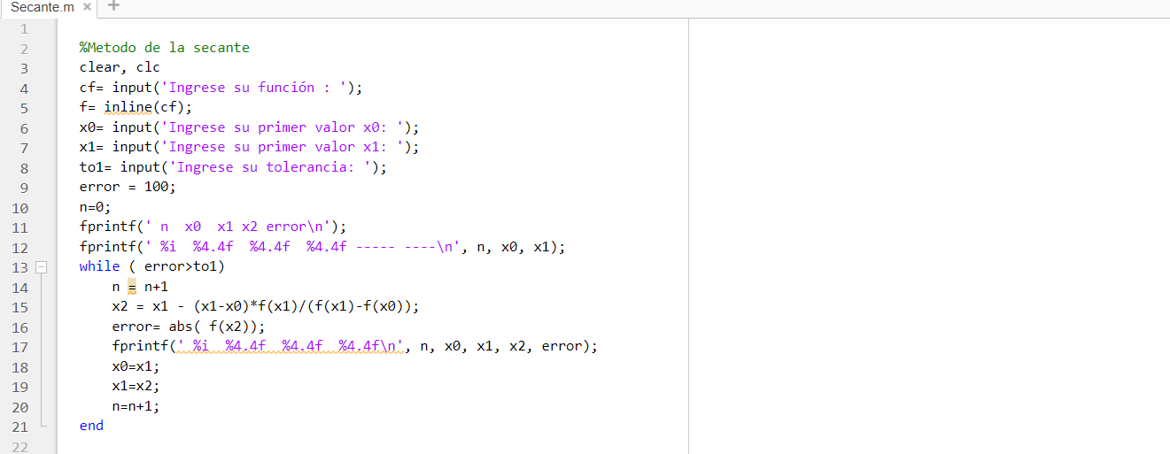
2 | 2.0270418061 | 16.817124032 | -2.9729581939 | 146.66486823
3 | 4.3193720057 | 141.09408258 | 2.2923301996 | 53.070913934
4 | 2.0574265259 | 17.749367604 | -2.2619454799 | 109.94052285
5 | 3.8777537345 | 107.16116758 | 1.8203272086 | 46.942826524
6 | 2.0896252387 | 18.753738559 | -1.7881284958 | 85.571731363
7 | 3.5727263095 | 86.859621912 | 1.4831010708 | 41.511745998
8 | 2.122449323 | 19.795266368 | -1.4502769865 | 68.330346965
9 | 3.3524718455 | 73.681510686 | 1.2300225226 | 36.69001797
10 | 2.1549974549 | 20.845841027 | -1.1974743906 | 55.567322732

F(xi)= x^4+3x^3-2
Iteracion | Xi | F(xi) | xi-(xi-1) | Ea%
0 | 2
1 | 5 | 998 | 3
2 | 2 | 38 | -3 | 150
3 | 1.7205882353 | 22.045120997 | -0.27941176471 | 16.239316239
4 | 2.0278782817 | 39.928604435 | 0.30729004638 | 15.153278634
5 | 1.7251964033 | 22.262497121 | -0.3026818784 | 17.544777964
6 | 2.064011932 | 42.527809513 | 0.3388155287 | 16.415386144
7 | 1.7297492679 | 22.478656894 | -0.33426266406 | 19.324341988
8 | 2.113434319 | 46.270183326 | 0.38368505113 | 18.154576543
9 | 1.7342609677 | 22.694233087 | -0.37917335136 | 21.863684787
10 | 2.1867725697 | 52.238548433 | 0.45251160203 | 20.693125947

F(xi)= x^3-2x-5
Iteracion | Xi | F(xi) | xi-(xi-1) | Ea%
0 | 2
1 | 5 | 110 | 3
2 | 2 | -1 | -3 | 150
3 | 2.0576923077 | -0.40291448566 | 0.057692307692 | 2.8037383178
4 | 2.0618453739 | -0.35836061051 | 0.0041530661665 | 0.20142471492
5 | 2.0621123916 | -0.35548876262 | 0.00026701772168 | 0.012948747254
6 | 2.0621294303 | -0.3553054769 | 1.7038695073E-05 | 0.00082626700451
7 | 2.062130517 | -0.35529378675 | 1.086733636E-06 | 5.2699556454E-05
8 | 2.0621305863 | -0.35529304117 | 6.9310099882E-08 | 3.3610916952E-06
9 | 2.0621305907 | -0.35529299362 | 4.4204764293E-09 | 2.1436452421E-07
10 | 2.062130591 | -0.35529299059 | 2.8193003487E-10 | 1.3671783742E-08

